Classical Classification
 |  | Trivial Model | Iteration 1 | Iteration 2 | Iteration 3
Difference Between Variations | Mention selected features or transformations | - | All features | SVC_YRS | DRILL_PAY_NORM SVC_RES_STATE
Results | Accuracy test/holdout | 73 | 73 | 73 | 73
 | Precision test/holdout | 73 | 73 | 73 | 73
 | Recall test/holdout | 100 | 100 | 100 | 100
 | AUC test/holdout | 80 | 80 | 80 | 80
 | ROC test/holdout |  | 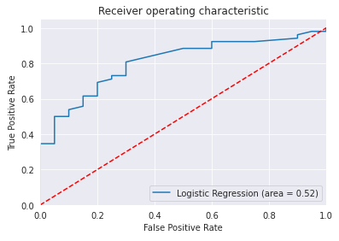 | 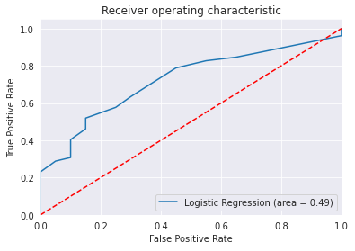 | 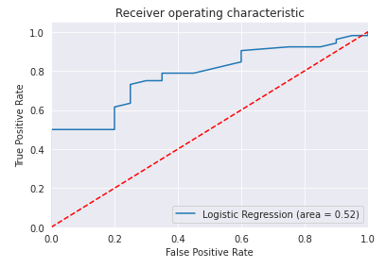
 | Confusion Matrix test/holdout
 | Determination | Does not meet success criteria | Does not meet success criteria | Does not meet success criteria | Meets success criteria

Neural Network Classification
 |  | Best Classical Model | Iteration 1 | Iteration 2 | Iteration 3
Configuration | Input Layer | - | 4 features | 4 features | 4 features
 | Hidden Layer(s), neurons & activation function | - | none | none | 1 with 6 nodes, ReLU
 | Output layer neurons & activation function | - | 1, sigmoid | 1, sigmoid | 1, sigmoid
 | Batch Size | - | 20 | 20 | 20
 | Epochs | - | 100 | 100 | 100
 | Optimizer | - | Stochastic Gradient Descent | Adam | Stochastic Gradient Descent
 | Loss Function | - | Binary Cross-Entropy | Binary Cross-Entropy | Binary Cross-Entropy
Results | Accuracy test/holdout | 73 | 73 | 73 | 73
 | Precision test/holdout | 73 | 73 | 73 | 73
 | Recall test/holdout | 100 | 100 | 100 | 100
 | AUC test/holdout | 80 | 80 | 80 | 80
 | ROC test/holdout |  | 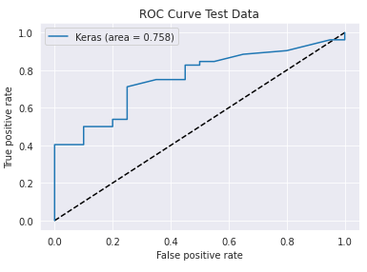 | 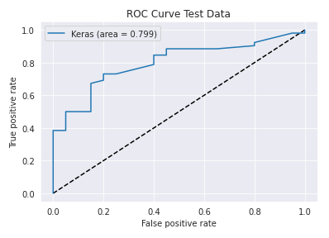 | 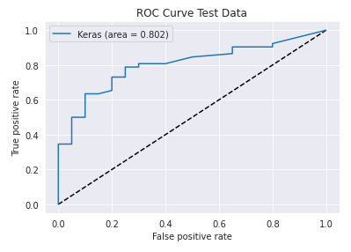
 | Confusion Matrix test/holdout
 | Determination |  | Does not meet success criteria | Does not meet success criteria | Does not meet success criteria

Classical Regression
 |  | Trivial Model | Iteration 1 | Iteration 2 | Iteration 3
Difference Between Variations | Mention selected features or transformations | - | All features | SVC_YRS | DRILL_PAY_NORM SVC_RES_STATE
Results | R2 test/holdout | 0.3 | 0.8 | 0.8 | 0.8
 | MSE or MAE test/holdout | 173 | 73 | 73 | 73
 | Residuals plot test/holdout | 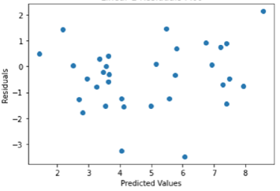
 | Determination | Does not meet success criteria | Does not meet success criteria | Does not meet success criteria | Meets success criteria

